Page Life cycle
Page Events | Phases

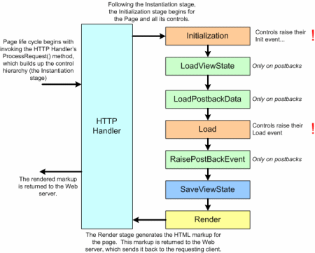
PreInit | Instantiastion | Controls are declared
Page_Init
 | Initialization
InitComplete
 | LoadViewState
 | LoadPostBack | During post back, controls viewstate values from HTTP POST request are assigned back to corresponding controls by invoking LoadPostData() method for that control
PreLoad
Page_Load
LoadComplete
Control Events | RaisePostBackEvent
 | SaveViewState
PreRender
PreRenderComplete
 | Render | HTML is generated which needs to be rendered (returned) to the client
Unload

